Data Dictionary
Data Dictionary

COLUMN NAME | DESCRIPTION
ATERIO_ENERGY_PROJECT_UID | The unique identifier of the project.
PROJECT_NAME | The most recent commercial or marketed name used by the developer for the project.
FLG_BTM_PROJECT | Indicates whether the project is a behind-the-meter installation primarily serving on-site load.
DEVELOPER_COMPANIES | The parent companies or developers behind the project.
DEVELOPER_COMPANIES_TICKER | Stock ticker symbol for the developer companies, if publicly traded.
EIA_ENTITY_IDS | The entity ID(s) assigned by the EIA to the owner(s) or operator(s) associated with the plant.
EIA_ENTITY_NAMES | The name(s) of the EIA-registered entity(ies) associated with the plant, corresponding to the EIA Entity IDs.
CONSTRUCTION_EQUIPMENT_PROVIDER_COMPANIES | The EPC contractors and/or major equipment manufacturers involved in the project.
PROJECT_FINANCING_COMPANIES | The financial institutions or project finance providers backing the project.
CUSTOMER_COMPANIES | The offtakers or end customers purchasing the project's energy, capacity, or credits under a signed agreement.
TOT_PROJECT_COST | The total estimated or reported capital expenditure for the project in US dollars.
PROJECT_FOOTPRINT_ACREAGE | The land area directly occupied by the project's physical infrastructure and equipment in acres.
SITE_BOUNDARY_ACREAGE | The total land area enclosed within the legal or administrative site boundary in acres, including buffer zones and undeveloped portions.
TOT_CONTRACTED_POWER_CAPACITY_MW | The total capacity in megawatts under a signed offtake agreement, when available.
AGREEMENT_URL | A direct URL to the offtake agreement, when available.
AGREEMENT_TYPE | The type of offtake or commercial agreement, when available.
PROJECT_SOURCE_URL | The primary public-facing URL for the project, typically the developer's project-specific webpage or the most authoritative public source available.
PROJECT_LEVEL_NOTES | Contextual project information not captured elsewhere.
ATERIO_ENERGY_PLANT_UID | The unique identifier of the plant.
PLANT_NAME | The name of the plant.
EIA_PLANT_CODES | The plant code(s) as listed in EIA-860, when available.
EIA_PLANT_NAMES | The plant names(s) as listed in EIA-860, when available.
COUNTY_NAME | The name of the county in which the plant is located.
CITY_NAME | The city or town in which the plant is located.
STATE_CODE | The abbreviation for the U.S. state in which the plant is located.
LOCATION_LATITUDE | The geographic latitude of the plant location in decimal degrees.
LOCATION_LONGITUDE | The geographic longitude of the plant location in decimal degrees.
ATERIO_PLANT_TECHNOLOGY_TYPE | The generation or storage technology employed by the plant.
ATERIO_PLANT_ENERGY_SOURCE | The primary fuel or energy resource used by the plant.
ATERIO_ELECTRICAL_UTILITY_UID | The unique identifier of the local electrical utility associated with the plant, when available.
UTILITY_NAME | The name of the local electric utility associated with the plant, when available.
UTILITY_CODE | Code assigned to the utility for identification purposes.
UTILITY_PUBLIC_PRIVATE | Status indicating whether the utility company is public or privately owned.
UTILITY_TICKER_NAME | Stock ticker symbol for the utility company, if publicly traded.
UTILITY_BLOOMBERG_TICKER_NAME | Bloomberg ticker symbol for the utility provider, for financial data tracking.
UTILITY_EXCHANGE_PROVIDER_TICKER_NAME | Ticker name for the stock exchange where the utility company is listed.
ATERIO_BAL_AUTH_UID | The unique identifier of the balancing authority associated with the plant.
BAL_AUTH_ABBR | The abbreviation of the balancing authority associated with the plant.
BAL_AUTH_NAME | The name of the balancing authority associated with the plant.
ATERIO_ENERGY_MARKET_REGION | The electricity market region in which the plant is electrically located.
PLANT_SOURCE_URL | The URLs for sources used to populate project and plant-level data.
PLANT_LEVEL_NOTES | Contextual plant information not captured elsewhere.
ATERIO_ENERGY_PLANT_PHASE_UID | The unique identifer of the phase.
EIA_GENERATOR_IDS | The EIA-assigned generator ID(s) associated with this phase, as listed in EIA-860.
PLANT_PHASE_NAME | The name assigned to the phase, reflecting its sequence.
PLANT_PHASE_STAGE | The current development status of the phase.
TOT_PHASE_NAMEPLATE_POWER_MW | The total nameplate generation of the phase in megawatts, based on the sum of its associated generators.
TOT_PHASE_STORAGE_DURATION_HOURS | The rated discharge duration of the storage system in hours at full capacity, when applicable.
TOT_PHASE_STORAGE_CAPACITY_MWH | The total energy storage capacity of the phase in megawatt-hours, based on the sum of its associated storage units.
PLANT_PHASE_FILING_DATE | The date when the initial permit or regulatory filings for the phase first appeared.
PLANT_PHASE_ANNOUNCED_DATE | The date when the phase was publicly disclosed by the developer.
PLANT_PHASE_ATERIO_ESTIMATED_CONSTRUCTION_START_DATE | Aterio's internal estimate of when physcial construction activity began or is expected to begin for the phase.
PLANT_PHASE_ATERIO_ESTIMATED_COMPLETION_DATE | Aterio's internal estimate of when construction for the phase is expected to be completed or was completed.
PLANT_PHASE_ATERIO_ESTIMATED_ACTIVATION_DATE | Aterio's internal estimate of when commercial operation began or is expected to begin for the phase.
PLANT_PHASE_ACTUAL_ACTIVATION_DATE | The actual publicly reported commercial operation date for the phase.
PLANT_PHASE_CANCELLED_DATE | The date when the phase was formally cancelled, if applicable.
PLANT_PHASE_PROJECT_NOTAPPROVED_WITHDRAWN_DATE | The date when the phase was denied regulatory approval or formally withdrawn, if applicable.
LATEST_SATELLITE_PICTURE_DATE | The date when the most recent satellite image was reviewed by Aterio.
PCT_CONSTRUCTION_STATUS | The estimated percentage of physical construction completed for the phase, based on satellite imagery and available sources.
RECORD_CREATED_DATE | The date when the record was first created.
RECORD_UPDATED_DATE | The date when the record was last modified or updated.
UPDATED_AT | The date when the last execution or process update occurred.

For additional information visit aterio.io

About
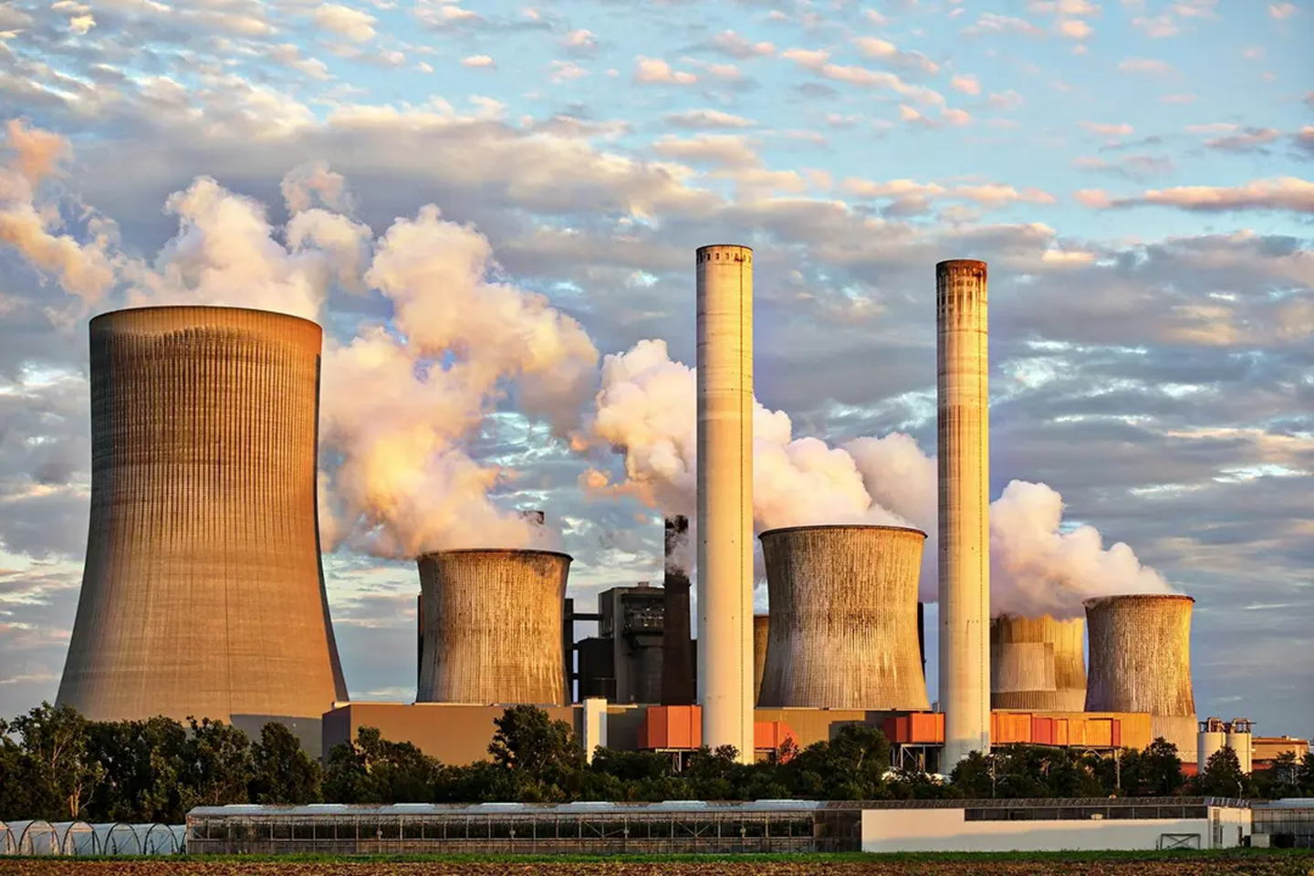

US New Energy Projects

Track new U.S. energy projects across all major power generation and storage technologies, including behind-the-meter (BTM) installations, with tracked timelines to construction completion.

Key Use Cases
Strategic Investment Decisions
Track new utility-scale and behind-the-meter (BTM) projects to identify where power capacity is expanding, which developers are most active, and which regions are emerging as key energy investment hubs. See where new supply could reshape regional market dynamics and create trading opportunities.
Business Development
Monitor developer and market activity across technologies, markets, and project stages to identify where demand is emerging, which companies are most active, and how upcoming projects may drive asset deployment and new commercial opportunities.

PRODUCT DETAILS

Product Name
US New Energy Projects

Underlying Sources
Federal and state regulatory filings
Interconnection queue data
Local government records
Satellite imagery
Press releases and news coverage

Geographical Coverage
USA

Frequency of Delivery
Daily updates

Historical Data
Dates of Announcement
Construction Starts
Activations
Future Expansions

Delivery Methods
FTP
Snowflake
GCP Cloud Storage
Amazon S3

File Format
CSV

Trial Details
Guided Proof of Concepts (POCs) with a subset of the dataset are available

About Aterio's Market Intelligence Platform
Aterio’s Market Intelligence Platform leverages forward-looking models and real-time events giving financial institutions, corporations, and real estate investors an unfair advantage in asset acquisitions and dispositions.
Our solution delivers precise, actionable forecasts by integrating comprehensive event tracking in areas like Data Centres, Manufacturing Plants, and Industrial developments, with dynamic event analysis.
Line of Business
Population Forecasting
Industrial Market Intelligence
Data Centers Market Intelligence

Contact Us
https://calendly.com/aterio-data/30min

aterio.io | © 2026 Aterio. All rights reserved.

Disclaimer:
The information provided in our listings is based on publicly available data from developers or from third-party sources, such as construction applications, permits, press releases, satellite images and Aterio's own research.

Some power capacity figures and project details are also estimates based on these sources and may vary from actual values.

